Delegation Board
Images are © Jurgen Appelo, Creative Commons 3.0 by http://www.management30.com/
Key Decision Areas |  |  | 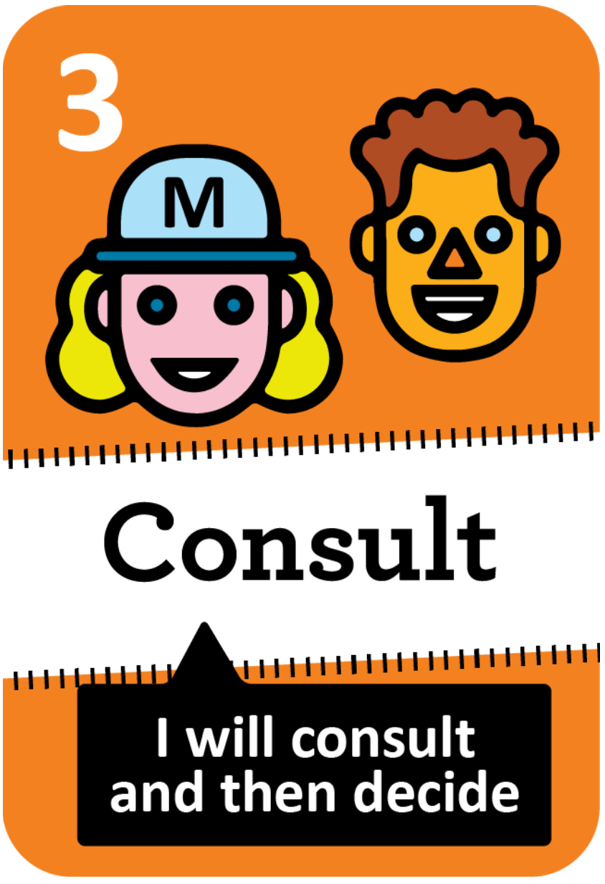 | 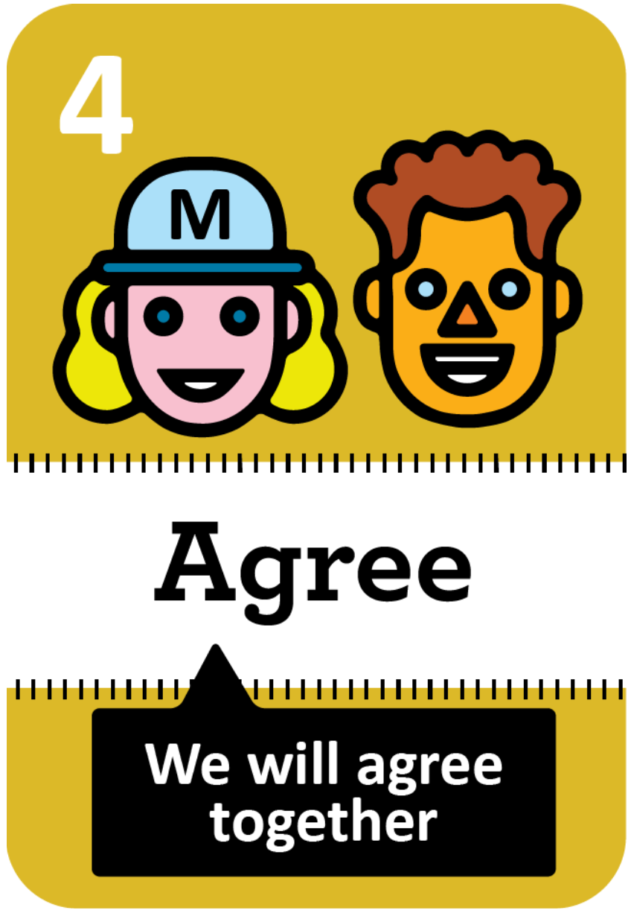 | 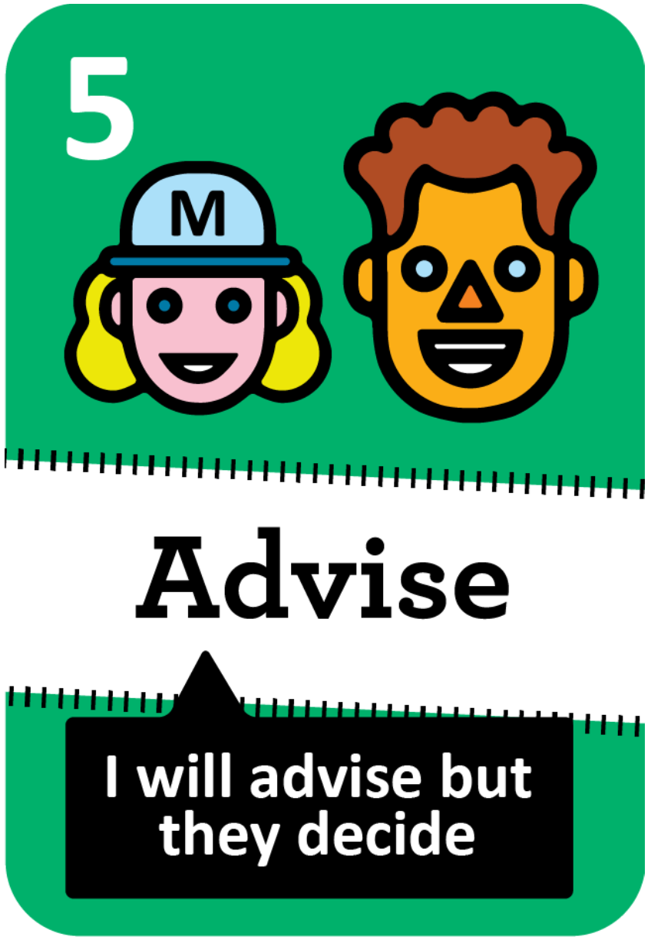 |  | 